2012 Solar
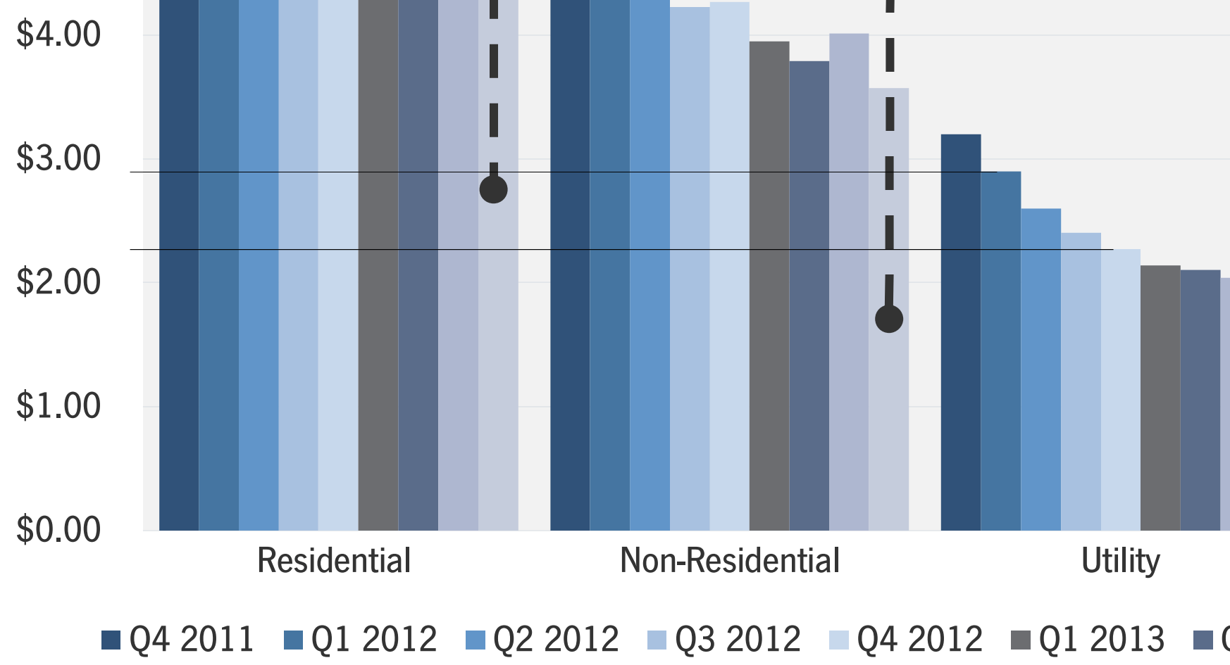
GTM Research only makes their solar prices available as a graph, so we must use
pixel measurement to determine the values. We seek the average value for 2012,
which is the average of the second through fifth bars. We use the "Utility" segment,
because our model is representing utility-scale deployment.

Pixels per $4/W | 553 | pixels
2012 max price | 386 | pixels
2012 min price | 302 | pixels
2012 average price | 344 | pixels
2012 average price | 2.488 | $/W
2012 average price | 2488 | $/kW

